Shopify's Balance Sheet
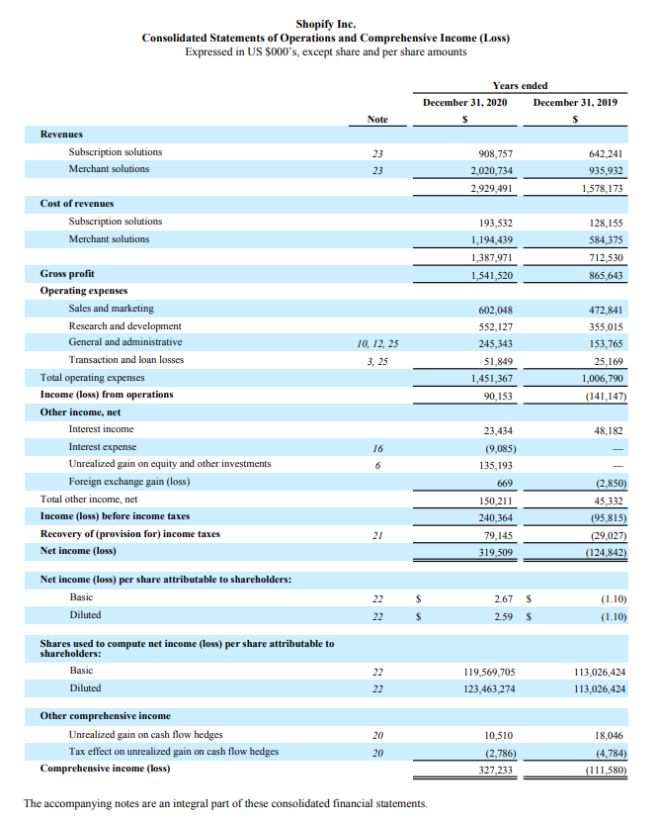
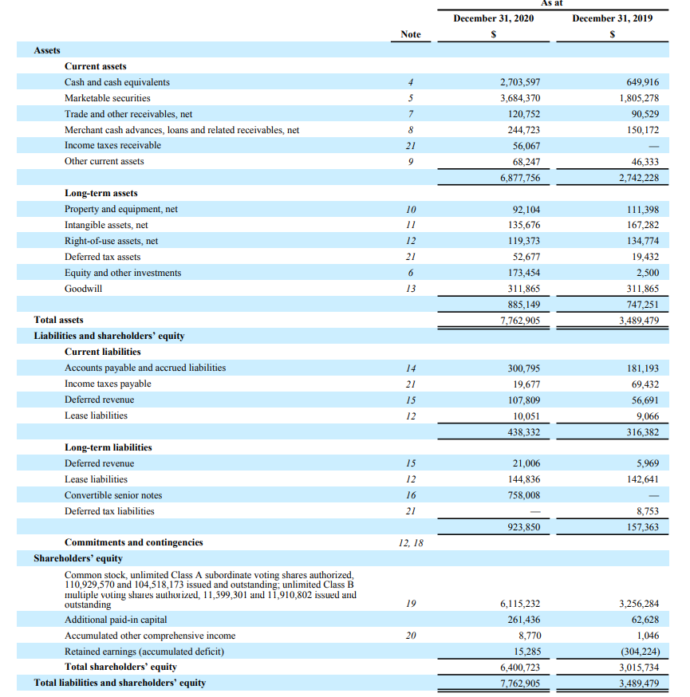

Lightspeed's Balance Sheet
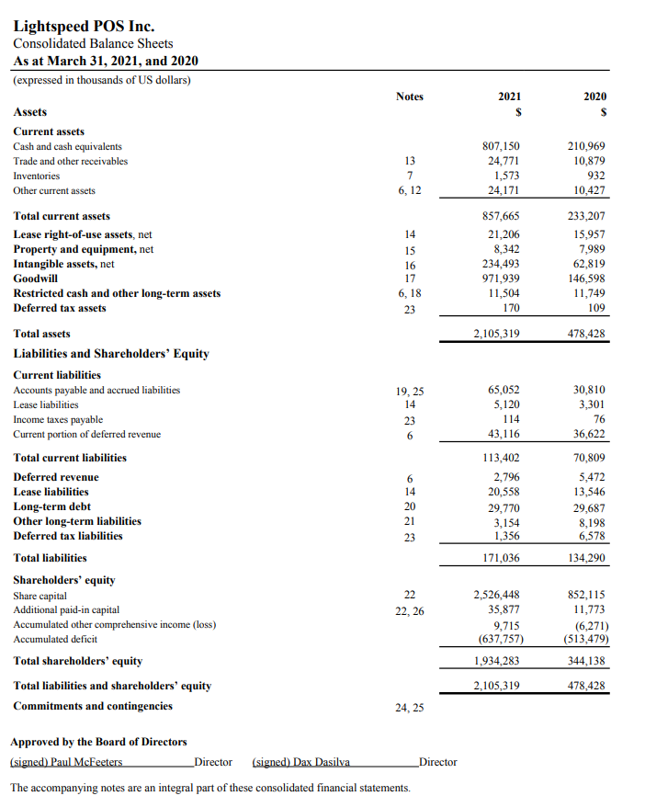
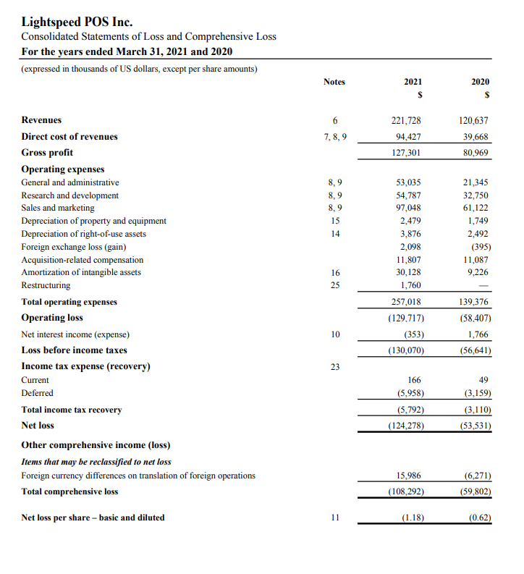

Official Comparison Report
Growth and Profitability
Gross & Net Profit Margin
 | Shopify | Lightspeed
 | Dec 31, 2019 - Dec 31, 2020 | 2020 - 2021
Growth and Profitability
Year/Year revenue growth = (Current Year Revenue - Last Year Revenue) / Last year Revenue * 100
Last Year Revenue | 1,578,173 | 120,637
Current Year Revenue | 2,929,491 | 221,728
Year/Year revenue growth | 85.63% | 83.80%
Year/Year net profit growth = (Current net profit - Last year net profit) / Last year net profit * 100
Last Year Net Profit | (124,842) | (53,531)
Current Year Net Profit | 319,509 | (124,278)
Year/Year net profit growth | 355.93% | -132.16%
ROE/ROA
Gross & Net Profit Margin
Gross Profit Margin = (Sales - Cost Of Goods Sold) / Sales
Sales Revenue | 2,929,491 | 221,728
Cost Of Goods Sold | 1,387,971 | 94,427
Gross Profit Margin | 0.5262 | 1.3481
Gross Profit Margin | 52.62% | 134.81%
Net Profit Margin = Net Income / Sales
Net Income | 319,509 | 130,070
Sales Revenue | 2,929,491 | 221,728
Net Profit Margin | 0.1091 | 0.5866
Net Profit Margin | 10.91% | 58.66%
ROE/ROA
Solvency
Return of Equity = Net Income /Share Holders Equity
Return Of Assets = Net Income / Average Total Assets
Net Income | 319,509 | -124,728
Share Holders Equity | 6,400,723 | 1,934,283
Average Total Assets | 7,762,905 | 2,105,319
Return on Equity | 4.99% | -6.45%
Return Of Assets | 4.12% | -5.92%
Solvency
Current ratio = Current assets / Current liabilities
Current Asset | 6,877,756 | 24,171
Current Liabilities | 438,332 | 43,116
Current ratio | 15.6908 | 0.5606
Net working capital = Current Assets - Current liabilities
Current Asset | 6,877,75 | 24,171
Current Liabilities | 438,332 | 43,116
NWC | 6,439,424 | (18,945)
Quick Ratio = (Current assets - Inventory)/Current liabilities
Current Asset | 6,877,756 | 24,171
Current Liabilities | 438,332 | 43,116
Inventory | N/A | N/A
Quick Ratios | 15.6908 | 0.5606
Debt
Total debt ratio = [Total assets − Total equity]/Total assets
Total assets | 7,762,905 | 2,105,319
Total equity | 6,400,723 | 1,934,283
Total debt ratio | 0.1755 | 0.0812
TIE ratio = EBIT/Interest
EBIT | 240,364 | (130,070)
Interest Expense | 9,085 | 353
TIE Ratio | 26.4572 | (368.4703)
Efficiency
Days’ sales in inventory (Inventory period) = 365 days/Inventory turnover
Costs of Goods Sold | 1,387,971 | 94,427
Inventory | N/A | 1,573
Efficiency of Days' Sales in Receivables/Intentory
Efficiency of Receivables/Inventory Turnover
Inventory turnover = Cost of goods sold/Inventory | N/A | 60.0299
Days’ sales in inventory (Inventory period) | N/A | 6.0803
Days’ sales in receivables = 365 days/Receivables turnover
Sales revenues | 2,929,491 | 221,728
Accounts Receivables | 120,752 | 24,771
Receivables turnover = Sales/Accounts receivable | 24.2604 | 8.9511
Days’ sales in receivables = 365 days/Receivables turnover | 15.0451 | 40.7771

 | Shopify | Lightspeed
ROE/ROA
ROE | Yes | No
ROA | Yes | No
Growth & Profitability
Revenue Growth | Yes | No
Net Profit Growth | Yes | No
Gross Profit Margin | No | Yes
Net Profit Margin | No | Yes
Solvency
Total Debt Ratio | Yes | No
TIE Ratio | Yes | No
Efficiency
Days sale in Receivable | No | Yes
Days Sales in Inventory | No | Yes

